Calculation sheet
Cable Dimensioning tool SCS-S2 - for Smoke System Damper unit - Calculation sheet |  |  |  |  |  |  |  |  |  |  |  | 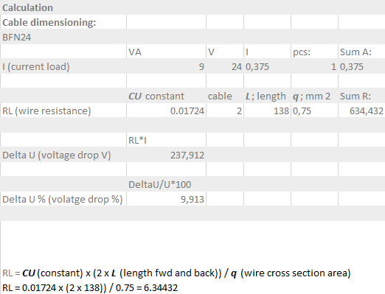 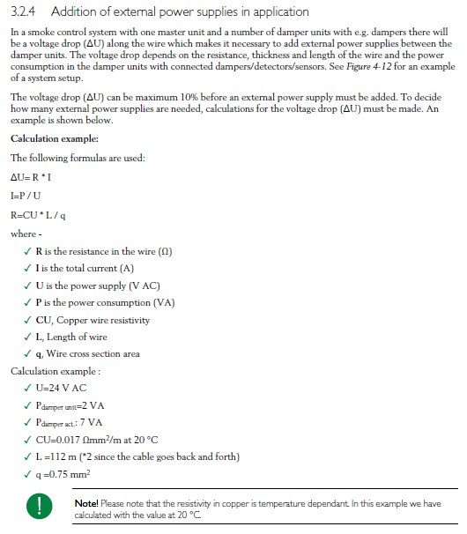 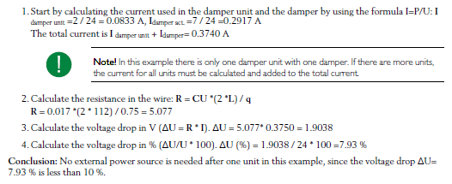 Example data:

Grey cells are locked | Green fields for input |  |  |  | Note! The value cells for Voltage drop % and Distance, m turns red if the voltage drop is above 10 % or the length exceeds 300 m
Components: |  |  | Comment:
Damper unit | 2 | VA | Constant for all.
Damper actuator | 4 | VA | Set individually on each damper below, default 4VA
CU Resistance | 0.017 |  | Constant for all.
Number of wires | 2 |  | Constant for all.
Cable cross section | 1.5 | mm2 | Set individually on each damper below, default 1,5mm2
Tranformer voltage nominal | 24 | V AC | Nominal voltage at transformer

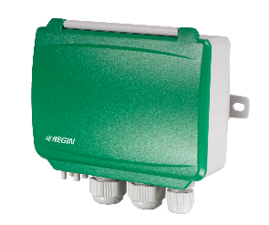
Transformer too first damper unit | Damper unit |  |  |  | Damper actuator |  |  |  |  | 1
 | VA pr. Damper unit | V | I | QTY | VA pr. Damper actuator | V | I | QTY | Sum A:
Current load | 2 | 24 | 0.083 | 1 | 4 | 24 | 0.16666666667 | 1 | 0.250
 | CU Resistance | wires | Cable length | mm2 | Sum RL:
RL: Total resistance in wire | 0.017 | 2 | 200 | 1.5 | 4.533
Cable length from Transformer to first damper unit: | 200 | meter |  |  |  |  |  |  |  | Over this unit
Cable cross section | 1.5 | mm2 |  |  |  |  |  |  |  | 1.13 | Voltage drop V
Damper actuator VA | 4 | VA |  |  |  |  |  |  |  | 4.72% | Voltage drop %
Damper actuator QTY (1 or 0 per damper unit) | 1 | pcs |  |  |  |  |  |  |  | Total
Voltage level powerup: | 22.87 | V |  |  |  |  |  |  |  | 1.13 | Voltage drop V
 |  |  |  |  |  |  |  |  |  | 4.72% | Voltage drop %
 |  |  |  |  |  |  |  |  |  | 200 | Distance, m
Between damper unit No. 1 and No. 2 | Damper unit |  |  |  | Damper actuator |  |  |  |  | 2
 | VA pr. Damper unit | V | I | QTY | VA pr. Damper actuator | V | I | QTY | Sum A:
Current load | 2 | 22.87 | 0.087 | 1 | 4 | 22.87 | 0.1749271137 | 1 | 0.262
 | CU Resistance | wires | Cable length | mm2 | Sum RL:
RL: Total resistance in wire | 0.017 | 2 | 20 | 1.5 | 0.453
Cable length to here: | 20 | meter |  |  |  |  |  |  |  | Over this unit
Cable cross section | 1.5 | mm2 |  |  |  |  |  |  |  | 0.12 | Voltage drop V
Damper actuator VA | 4 | VA |  |  |  |  |  |  |  | 0.50% | Voltage drop %
Damper actuator QTY (1 or 0 per damper unit) | 1 | pcs |  |  |  |  |  |  |  | Total
Voltage level here: | 22.75 | V |  |  |  |  |  |  |  | 1.25 | Voltage drop V
 |  |  |  |  |  |  |  |  |  | 5.22% | Voltage drop %
 |  |  |  |  |  |  |  |  |  | 220 | Distance, m
Between damper unit No. 2 and No. 3 | Damper unit |  |  |  | Damper actuator |  |  |  |  | 3
 | VA pr. Damper unit | V | I | QTY | VA pr. Damper actuator | V | I | QTY | Sum A:
Current load | 2 | 22.75 | 0.088 | 1 | 4 | 22.75 | 0.1758418278 | 1 | 0.264
 | CU Resistance | wires | Cable length | mm2 | Sum RL:
RL: Total resistance in wire | 0.017 | 2 | 10 | 1.5 | 0.227
Cable length to here: | 10 | meter |  |  |  |  |  |  |  | Over this unit
Cable cross section | 1.5 | mm2 |  |  |  |  |  |  |  | 0.06 | Voltage drop V
Damper actuator VA | 4 | VA |  |  |  |  |  |  |  | 0.25% | Voltage drop %
Damper actuator QTY (1 or 0 per damper unit) | 1 | pcs |  |  |  |  |  |  |  | Total
Voltage level here: | 22.69 | V |  |  |  |  |  |  |  | 1.31 | Voltage drop V
 |  |  |  |  |  |  |  |  |  | 5.47% | Voltage drop %
 |  |  |  |  |  |  |  |  |  | 230 | Distance, m
Between damper unit No. 3 and No. 4 | Damper unit |  |  |  | Damper actuator |  |  |  |  | 4
 | VA pr. Damper unit | V | I | QTY | VA pr. Damper actuator | V | I | QTY | Sum A:
Current load | 2 | 22.69 | 0.088 | 1 | 4 | 22.69 | 0.17630519834 | 1 | 0.264
 | CU Resistance | wires | Cable length | mm2 | Sum RL:
RL: Total resistance in wire | 0.017 | 2 | 10 | 1.5 | 0.227
Cable length to here: | 10 | meter |  |  |  |  |  |  |  | Over this unit
Cable cross section | 1.5 | mm2 |  |  |  |  |  |  |  | 0.06 | Voltage drop V
Damper actuator VA | 4 | VA |  |  |  |  |  |  |  | 0.25% | Voltage drop %
Damper actuator QTY (1 or 0 per damper unit) | 1 | pcs |  |  |  |  |  |  |  | Total
Voltage level here: | 22.63 | V |  |  |  |  |  |  |  | 1.37 | Voltage drop V
 |  |  |  |  |  |  |  |  |  | 5.72% | Voltage drop %
 |  |  |  |  |  |  |  |  |  | 240 | Distance, m
Between damper unit No. 4 and No. 5 | Damper unit |  |  |  | Damper actuator |  |  |  |  | 5
 | VA pr. Damper unit | V | I | QTY | VA pr. Damper actuator | V | I | QTY | Sum A:
Current load | 2 | 22.63 | 0.088 | 1 | 4 | 22.63 | 0.1767722482 | 1 | 0.265
 | CU Resistance | wires | Cable length | mm2 | Sum RL:
RL: Total resistance in wire | 0.017 | 2 | 10 | 1.5 | 0.227
Cable length to here: | 10 | meter |  |  |  |  |  |  |  | Over this unit
Cable cross section | 1.5 | mm2 |  |  |  |  |  |  |  | 0.06 | Voltage drop V
Damper actuator VA | 4 | VA |  |  |  |  |  |  |  | 0.25% | Voltage drop %
Damper actuator QTY (1 or 0 per damper unit) | 1 | pcs |  |  |  |  |  |  |  | Total
Voltage level here: | 22.57 | V |  |  |  |  |  |  |  | 1.43 | Voltage drop V
 |  |  |  |  |  |  |  |  |  | 5.97% | Voltage drop %
 |  |  |  |  |  |  |  |  |  | 250 | Distance, m
Between damper unit No. 5 and No. 6 | Damper unit |  |  |  | Damper actuator |  |  |  |  | 6
 | VA pr. Damper unit | V | I | QTY | VA pr. Damper actuator | V | I | QTY | Sum A:
Current load | 2 | 22.57 | 0.089 | 1 | 4 | 22.57 | 0.1772430263 | 1 | 0.266
 | CU Resistance | wires | Cable length | mm2 | Sum RL:
RL: Total resistance in wire | 0.017 | 2 | 10 | 1.5 | 0.227
Cable length to here: | 10 | meter |  |  |  |  |  |  |  | Over this unit
Cable cross section | 1.5 | mm2 |  |  |  |  |  |  |  | 0.06 | Voltage drop V
Damper actuator VA | 4 | VA |  |  |  |  |  |  |  | 0.25% | Voltage drop %
Damper actuator QTY (1 or 0 per damper unit) | 1 | pcs |  |  |  |  |  |  |  | Total
Voltage level here: | 22.51 | V |  |  |  |  |  |  |  | 1.49 | Voltage drop V
 |  |  |  |  |  |  |  |  |  | 6.22% | Voltage drop %
 |  |  |  |  |  |  |  |  |  | 260 | Distance, m
Between damper unit No. 6 and No. 7 | Damper unit |  |  |  | Damper actuator |  |  |  |  | 7
 | VA pr. Damper unit | V | I | QTY | VA pr. Damper actuator | V | I | QTY | Sum A:
Current load | 2 | 22.51 | 0.089 | 1 | 4 | 22.51 | 0.17771758249 | 1 | 0.267
 | CU Resistance | wires | Cable length | mm2 | Sum RL:
RL: Total resistance in wire | 0.017 | 2 | 10 | 1.5 | 0.227
Cable length to here: | 10 | meter |  |  |  |  |  |  |  | Over this unit
Cable cross section | 1.5 | mm2 |  |  |  |  |  |  |  | 0.06 | Voltage drop V
Damper actuator VA | 4 | VA |  |  |  |  |  |  |  | 0.25% | Voltage drop %
Damper actuator QTY (1 or 0 per damper unit) | 1 | pcs |  |  |  |  |  |  |  | Total
Voltage level here: | 22.45 | V |  |  |  |  |  |  |  | 1.55 | Voltage drop V
 |  |  |  |  |  |  |  |  |  | 6.47% | Voltage drop %
 |  |  |  |  |  |  |  |  |  | 270 | Distance, m
Between damper unit No. 7 and No. 8 | Damper unit |  |  |  | Damper actuator |  |  |  |  | 8
 | VA pr. Damper unit | V | I | QTY | VA pr. Damper actuator | V | I | QTY | Sum A:
Current load | 2 | 22.45 | 0.089 | 1 | 4 | 22.45 | 0.17819596753 | 1 | 0.267
 | CU Resistance | wires | Cable length | mm2 | Sum RL:
RL: Total resistance in wire | 0.017 | 2 | 20 | 1.5 | 0.453
Cable length to here: | 20 | meter |  |  |  |  |  |  |  | Over this unit
Cable cross section | 1.5 | mm2 |  |  |  |  |  |  |  | 0.12 | Voltage drop V
Damper actuator VA | 4 | VA |  |  |  |  |  |  |  | 0.50% | Voltage drop %
Damper actuator QTY (1 or 0 per damper unit) | 1 | pcs |  |  |  |  |  |  |  | Total
Voltage level here: | 22.33 | V |  |  |  |  |  |  |  | 1.67 | Voltage drop V
 |  |  |  |  |  |  |  |  |  | 6.97% | Voltage drop %
 |  |  |  |  |  |  |  |  |  | 290 | Distance, m
Between damper unit No. 8 and No. 9 | Damper unit |  |  |  | Damper actuator |  |  |  |  | 9
 | VA pr. Damper unit | V | I | QTY | VA pr. Damper actuator | V | I | QTY | Sum A:
Current load | 2 | 22.33 | 0.090 | 1 | 4 | 22.33 | 0.17916311627 | 1 | 0.269
 | CU Resistance | wires | Cable length | mm2 | Sum RL:
RL: Total resistance in wire | 0.017 | 2 | 10 | 1.5 | 0.227
Cable length to here: | 10 | meter |  |  |  |  |  |  |  | Over this unit
Cable cross section | 1.5 | mm2 |  |  |  |  |  |  |  | 0.061 | Voltage drop V
Damper actuator VA | 4 | VA |  |  |  |  |  |  |  | 0.25% | Voltage drop %
Damper actuator QTY (1 or 0 per damper unit) | 1 | pcs |  |  |  |  |  |  |  | Total
Voltage level here: | 22.27 | V |  |  |  |  |  |  |  | 1.73 | Voltage drop V
 |  |  |  |  |  |  |  |  |  | 7.23% | Voltage drop %
 |  |  |  |  |  |  |  |  |  | 300 | Distance, m
Between damper unit No. 9 and No. 10 | Damper unit |  |  |  | Damper actuator |  |  |  |  | 10
 | VA pr. Damper unit | V | I | QTY | VA pr. Damper actuator | V | I | QTY | Sum A:
Current load | 2 | 22.27 | 0.090 | 1 | 4 | 22.27 | 0.17965329146 | 1 | 0.269
 | CU Resistance | wires | Cable length | mm2 | Sum RL:
RL: Total resistance in wire | 0.017 | 2 | 20 | 1.5 | 0.453
Cable length to here: | 20 | meter |  |  |  |  |  |  |  | Over this unit
Cable cross section | 1.5 | mm2 |  |  |  |  |  |  |  | 0.12 | Voltage drop V
Damper actuator VA | 4 | VA |  |  |  |  |  |  |  | 0.51% | Voltage drop %
Damper actuator QTY (1 or 0 per damper unit) | 1 | pcs |  |  |  |  |  |  |  | Total
Voltage level here: | 22.14 | V |  |  |  |  |  |  |  | 1.86 | Voltage drop V
 |  |  |  |  |  |  |  |  |  | 7.74% | Voltage drop %
 |  |  |  |  |  |  |  |  |  | 320 | Distance, m

